PO
 |  |  |  | PURCHASE ORDER

EXPORTER: |  |  |  | Reference. No# | 12820
 |  |  |  | Date | 06-02-2018
 |  |  |  | Payment Terms | 100% Cash Adv.
 |  |  |  | Shipment Mode | By Sea
 |  |  |  | Shipment Terms | Ex Factory

REPRESENTATIVE OF IMPORTER: |  | SHIP TO:

Sr. No. | Description | Quantity | UM | Unit Price | Amount

Amount in Words: |  |  |  | Sub Total
 |  |  |  | Others
 |  |  |  | Total Amount

Packing :
Origin:
Loading Port :
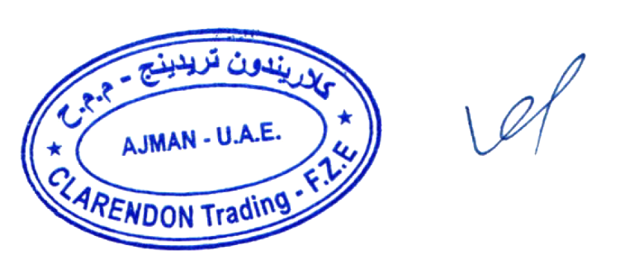
Discharge Port:

 |  |  | PREPARED BY:

